Login and activity List
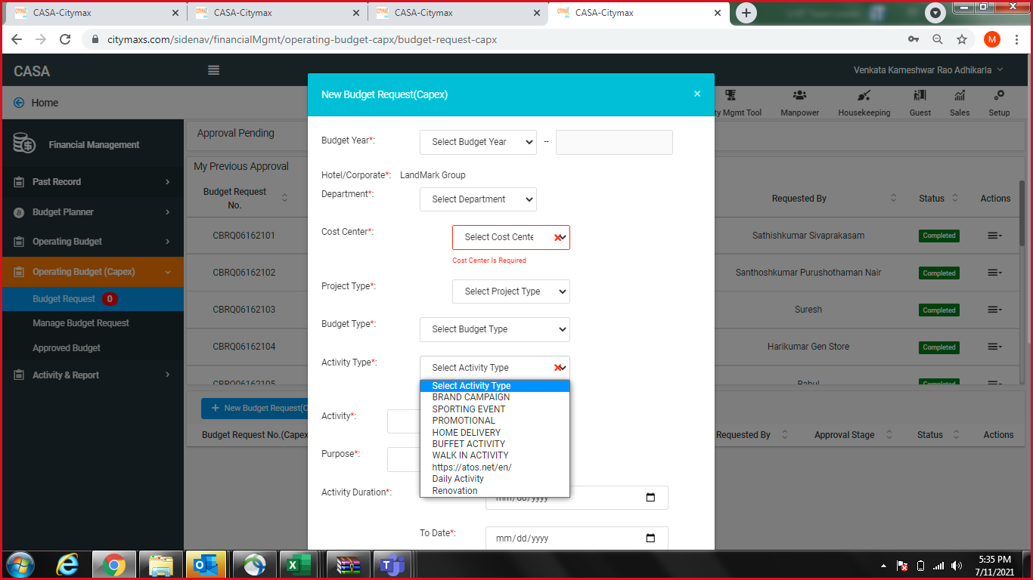
S.No | Stores (CAPEX Budget- for Stores and non-revenue center) (OPEX budget- for CC) | Budget Request | Activity Type | Activity | Budgeted amount | Start Date | End Date | Requestor | Type of request | Email | Remarks
1 | Main Food Store | CAPEX | Store purchase | Food item purchase | 50,000.00 | 1-Jul-21 | 31-Aug-21 | Jawad |  | cmrk.foodstores@citymaxhotels.com
2 | Main Beverage Store | CAPEX | Store purchase | Beverage item purchase | 50,000.00 | 1-Jul-21 | 31-Aug-21 | Jawad |  | cmrk.beveragestores@citymaxhotels.com
3 | Main General Store | CAPEX | Store purchase | General item purchase | 50,000.00 | 1-Jul-21 | 31-Aug-21 | Jawad |  | cmrk.generalstores@citymaxhotels.com
4 | Main Enginnering Store | CAPEX | Store purchase | Engineering items purchase | 50,000.00 | 1-Jul-21 | 31-Aug-21 | Jawad |  | cmrk.engineeringstores@citymaxhotels.com
5 | Main Tobacco Store | CAPEX | Store purchase | Tobacco items purchase | 30,000.00 | 1-Jul-21 | 31-Aug-21 | Jawad |  | cmrk.tobaccostores@citymaxhotels.com
6 | Main Printing & Stationary Store | CAPEX | Store purchase | Printing & Stationary items purchase | 30,000.00 | 1-Jul-21 | 31-Aug-21 | Jawad |  | cmrk.printingstores@citymaxhotels.com
7 | Main Linen Store | CAPEX | Store purchase | Linen items purchase | 30,000.00 | 1-Jul-21 | 31-Aug-21 | Jawad |  | cmrk.linenstores@citymaxhotels.com
8 | POMEC | CAPEX | Daily activity | July Engineering purchase | 10,000.00 | 1-Jul-21 | 31-Jul-21 | Santhosh Nair |  | santhosh.nair@citymaxhotels.com
9 | IT | CAPEX | Daily activity | July IT purchase | 10,000.00 | 1-Jul-21 | 31-Jul-21 | Pooja Shukla |  | poojashukla.ps17@gmail.com
10 | Housekeeping | CAPEX | Daily activity | July Housekeeping purchase | 15,000.00 | 1-Jul-21 | 31-Jul-21 | Sathishkumar Sivaprakasam |  | sathish.kumar@citymaxhotels.com
11 | The Retail Shop | CAPEX | Daily activity | July Retail shop purchase | 10,000.00 | 1-Jul-21 | 31-Jul-21 | Ramonito Dalonhao Maciado |  | ramonitomaciado@gmail.com
12 | City Café | OPEX | Buffet | BF/Lunch/ Dinner | 17,000.00 | 1-Jul-21 | 31-Jul-21 | Tushar Kadam |  | tushardkadam@gmail.com
13 | The Huddle | OPEX | Walkin | Daily activity | 21,000.00 | 1-Jul-21 | 31-Jul-21 | Sidath Dinusha Fernando Asarppulige | Beverage | sidathdinusha@gmail.com
 |  |  |  |  |  |  |  | Tushar Kadam | Food | tushar.kadamhuddle@citymaxhotels.com
14 | Clay Pot | OPEX | Buffet | Lunch/Dinner | 7,800.00 | 1-Jul-21 | 31-Jul-21 | Tushar Kadam | Food | tushar.kadamclaypot@citymaxhotels.com
 |  |  |  |  |  |  |  | Myka Beatrice Reyes Solacito | Beverage | spapiws24@gmail.com
15 | Aqua Pool Bar | OPEX | Walkin | Daily activity | 430.00 | 1-Jul-21 | 31-Jul-21 | Dinesh Kumara Jayasuriya Kaluappu Hannadige |  | dineshjayasooriya1986@gmail.com
16 | Coffee Shop | OPEX | Walkin | Daily activity | 1,000.00 | 1-Jul-21 | 31-Jul-21 | Randy Agno | Soft drinks | agnoray21_cs@icloud.com
 |  |  |  |  |  |  |  | Eknath Mayago Gawas | Food | eknathgawas2016@gmail.com
17 | Room Service | OPEX | Daily activity | July Room Service purchase |  | 1-Jul-21 | 31-Jul-21 | Suman Basnet |  | kvt.sumanb27@gmail.com

 | APPROVERS
 | FINANCE |  |  |  |  |  |  | Mihir Sheth |  | Mihir.Sheth@Citymaxhotels.Com
 | FINANCE |  |  |  |  |  |  | Venkata Kameshwar Rao Adhikarla |  | Avk.Rao@Landmarkgroup.Com
 | PROCUREMENT |  |  |  |  |  |  | Diwakar Sankararaman |  | diwakar.sankararaman@landmarkgroup.com
 | ADMIN |  |  |  |  |  |  | Rajvir Singh Rana |  | raj.rana@landmarkgroup.com
 | ADMIN |  |  |  |  |  |  | Ahmad Riad Taher Saleh |  | ahmad.taher@citymaxhotels.com
 |  |  |  |  |  |  |  | Baskar Govindraj |  | baskar.govindaraj@citymaxhotels.com

